Sheet1
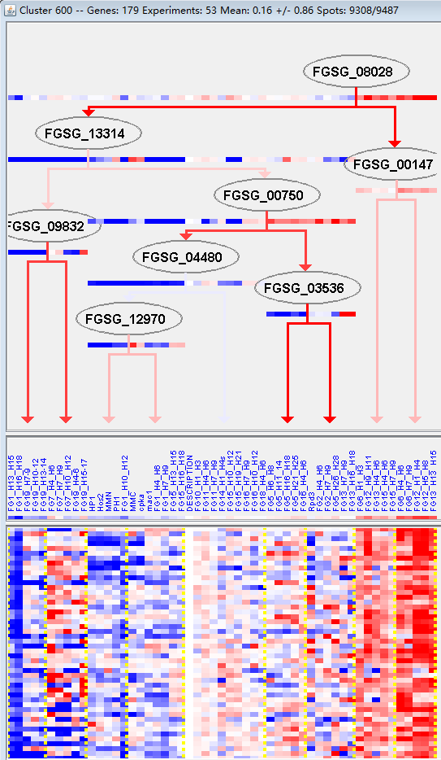
k | Filter | FUNCTIONAL CATEGORY | abs SET | rel SET | genes SET | abs GENOME | rel GENOME | rel SET/rel GENOME | P-VALUE | Bonferroni_corr | FDR
01.03.01.01 purine nucleotide /nucleoside/nucleobase catabolism | 2 | 1.33 | FGSG_12946 FGSG_13758 | 12 | 0.08 | 16.625 | 0.0071857272974
11.06 RNA modification | 3 | 2 | FGSG_01465 FGSG_05131 FGSG_11590 | 68 | 0.49 | 4.0816326531 | 0.037593172257
11.06.02 tRNA modification | 3 | 2 | FGSG_01465 FGSG_05131 FGSG_11590 | 47 | 0.33 | 6.0606060606 | 0.014324211539
99 UNCLASSIFIED PROTEINS | 107 | 71.3 | FGSG_00010 FGSG_00021 FGSG_11668 FGSG_00230 FGSG_00606 FGSG_11868 FGSG_00990 FGSG_01148 FGSG_01479 FGSG_01894 FGSG_12027 FGSG_02201 FGSG_12100 FGSG_02263 FGSG_12114 FGSG_12158 FGSG_12163 FGSG_02642 FGSG_02674 FGSG_02776 FGSG_04671 FGSG_04569 FGSG_12234 FGSG_04545 FGSG_04539 FGSG_04435 FGSG_04373 FGSG_04360 FGSG_04305 FGSG_04169 FGSG_04158 FGSG_12298 FGSG_03683 FGSG_12405 FGSG_03613 FGSG_03514 FGSG_03411 FGSG_03381 FGSG_12452 FGSG_03265 FGSG_03251 FGSG_03007 FGSG_12554 FGSG_12588 FGSG_04842 FGSG_12634 FGSG_05020 FGSG_05155 FGSG_12699 FGSG_05253 FGSG_05362 FGSG_12744 FGSG_12752 FGSG_05835 FGSG_12847 FGSG_06144 FGSG_06155 FGSG_12880 FGSG_06323 FGSG_06343 FGSG_06396 FGSG_06444 FGSG_06546 FGSG_06618 FGSG_12957 FGSG_12972 FGSG_06829 FGSG_06889 FGSG_06968 FGSG_06986 FGSG_07187 FGSG_07357 FGSG_13155 FGSG_07698 FGSG_07751 FGSG_08861 FGSG_13315 FGSG_13359 FGSG_13375 FGSG_13381 FGSG_08342 FGSG_13435 FGSG_09119 FGSG_09151 FGSG_09369 FGSG_09777 FGSG_09901 FGSG_13669 FGSG_13677 FGSG_13679 FGSG_13680 FGSG_13681 FGSG_10112 FGSG_10495 FGSG_10502 FGSG_10585 FGSG_10646 FGSG_10665 FGSG_10692 FGSG_11187 FGSG_11156 FGSG_11012 FGSG_10976 FGSG_10852 FGSG_10786 FGSG_11501 FGSG_13943 | 7238 | 52.3 | 1.3632887189 | 1.44E-06

01.03.01.01嘌呤核苷酸/核苷/碱基分解代谢
11.06 RNA修改
11.06.02 tRNA修改
99未分类的蛋白质

